Sheet1
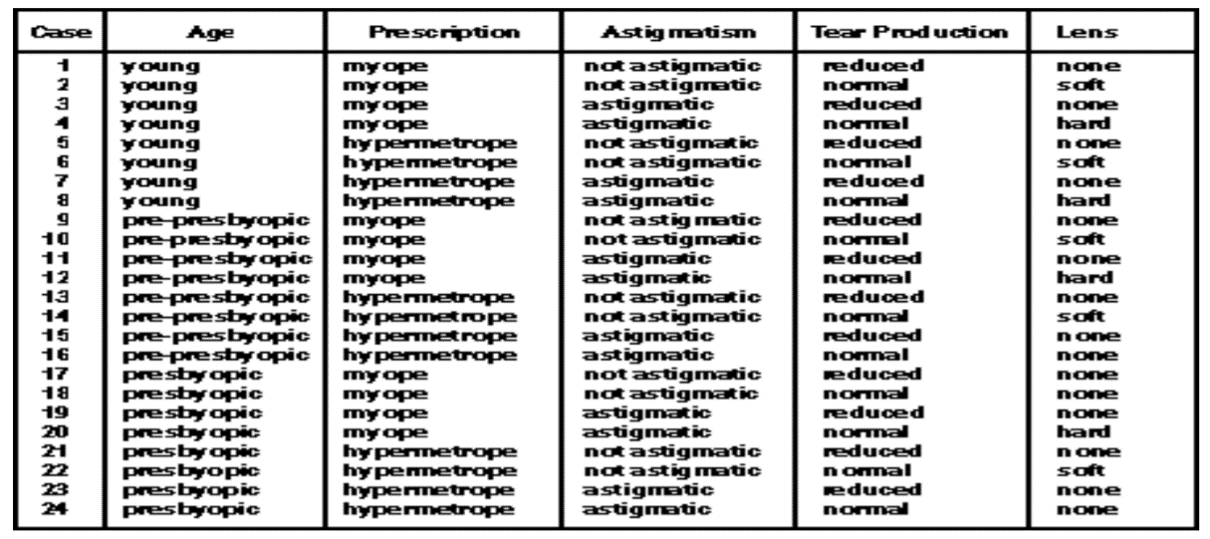
Case Information
Case ID | Condition ID | Prescription ID | Condition ID
1 | 1 | M | 1 | not astigmatic
2 | 1 | M | 2 | astigmatic
3 | 2 | M
4 | 2 | M | Prescription ID
5 | 1 | H | M | Myope
6 | 1 | H | H | Hypermetrope

Tear Production Status |  |  | Tear Production ID
Case ID | Age | Tear Production | TRUE | Reduced
8 | Young | FALSE | FALSE | Normal
9 | Pre-Presbyopic | TRUE
17 | Presbyopic | TRUE

Lens Prescription
Case ID | Prescription ID | Lens Type
18 | M | None
19 | M | None
22 | H | Soft

